Adult
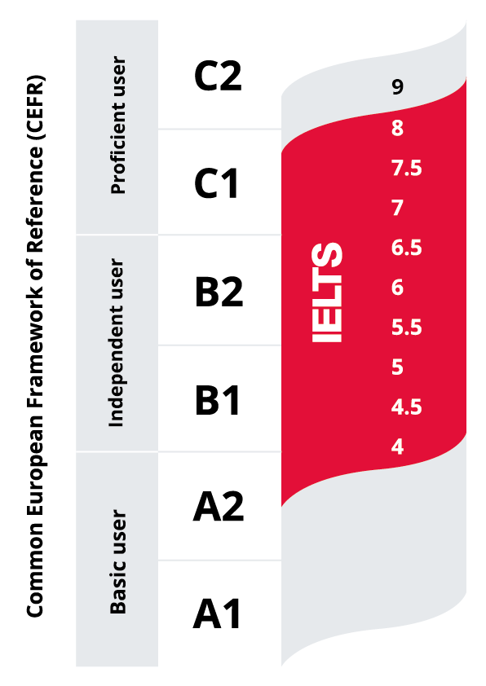
Beginner Courses |  |  |  |  | British Council English Courses (BCE) |  |  |  |  | IELTS Coach
PT fees 200 EGP, duration 20 to 30 mins (Valid for only 6 months) (Non Refundable) |  |  |  |  | PT fees 200 EGP, duration 20 to 30 mins (Valid for only 6 months) (Non Refundable) |  |  |  |  | PT fees 200 EGP, duration 20 to 30 mins (Valid for only 6 months) (Non Refundable)
5 levels, beginner (A, B, C, D), beginner E is complementary |  |  |  |  | Five levels: A1,A2,B1,B2,C1 |  |  |  |  | Must be at least level B1 "Intermediate"
In case of no level, the student can re-take the PT after 3 months |  |  |  |  | Upgrade as per the performance (might take 40-60 credits) session Duration 1:30 HRS |  |  |  |  | Classes will be delivered F2F at Agouza & CTS & virtually
1 level = 10 sessions, 5 sessions a week from Sunday till Thursday (Offline attendance) |  |  |  |  | You will get a certificate online via email with the hours and lessons attended |  |  |  |  | All our lessons are 1:30 long & Majority of first sessions start 18:00PM or 20:00 PM
Must attend at least 8 sessions and participate more to upgrade |  |  |  |  | Advisory session with the senior teacher can be booked aftet 15, 30 or 50 classes (Online & non-deductible from the sessions) |  |  |  |  | You will get a certificate online via email with the hours and lessons attended
You will get a certificate online via email with the hours and lessons attended |  |  |  |  | Assessment class can be booked after every 10 speaking sessions (Online & deductible from the sessions) |  |  |  |  | Sessions mostly always run from Sunday through Wednesday.

Packages |  |  |  |  | Packages |  |  |  |  | Packages
Name | 10 credits | 20 credits | 40 credits | 60 credits | Name | 10 credits (Re-Register only) | 20 credits | 40 credits | 60 credits | Name | 10 credits | 20 credits
Number of levels | 1 Level | 2 Levels | 4 Levels | 4 Levels + 20 Credit BCE | Duration | 2 months | 3 months | 6 months | 9 months | Duration | 5 Weeks | 10 Weeks
Fees | 3850 EGP | 6000 EGP | 10000 EGP | 13300 EGP | FEES | 3850 EGP | 6000 EGP | 10000 EGP | 13300 EGP | FEES | 4700 EGP | 7200 EGP
When re-registering, within 3 months from last attended session the student gets 10% discount on any package |  |  |  |  | When re-registering, within 3 months from last attended session the student gets 10% discount on any package and get the expired credits back |  |  |  |  | re-registering, within 3 months from last attended session the student gets 10% discount on any package and get the expired credits back

Installments |  |  |  |  | Branch | Location |  |  | Working Hours | English Online / Global BC
The student must pay the whole amount with a credit card. |  |  |  |  | AGU | 192 El Nil Street, Agouza, Cairo |  |  | From 10 am to 7 pm | 100% online courses for Adults only
The amount can be installed over 6 months or 12 months |  |  |  |  | CTS | Citystars Mall, Makram Ebid st.,Gate 5, Phase 1, Floor 6, Cairo |  |  | From 1 pm to 8 pm | Contact: support.englishonline@britishcouncil.org
Valid only for the 40 credits package and the 60 credits package |  |  |  |  | Aspire School New cairo | Abdelrahman Tag Street, Al-Banafseg 1st settlement New Cairo |  |  | From 12 pm to 7 pm
Administrative expense: 9% for 6 M & 15% for 12 M |  |  |  |  | October | Dream land Compound gate 3 - Gate 4 of the international school of Choeifat |  |  | From 12 pm to 7 pm |  | Whatsapp Number
Applicable for new registration and re-registration |  |  |  |  | Alex BSA | 11 Mahmoud Abou El Ela, Kafr Abdo, Alexandria |  |  | NO CS |  | 01022212064
To calculate the price after Installments for the new and re-registration Use: |  |  |  |  | Alex KLS | 8 Mahmoud Mokhtar St.branched from Fouad Street, beside the Graeco-Roman Museum, |  |  | From 11 am to 1 pm - From 2 pm to 6 pm
Installment Charges Calculator - Updated.xlsx |  |  |  |  | Working Days for all branches from sunday to thursday
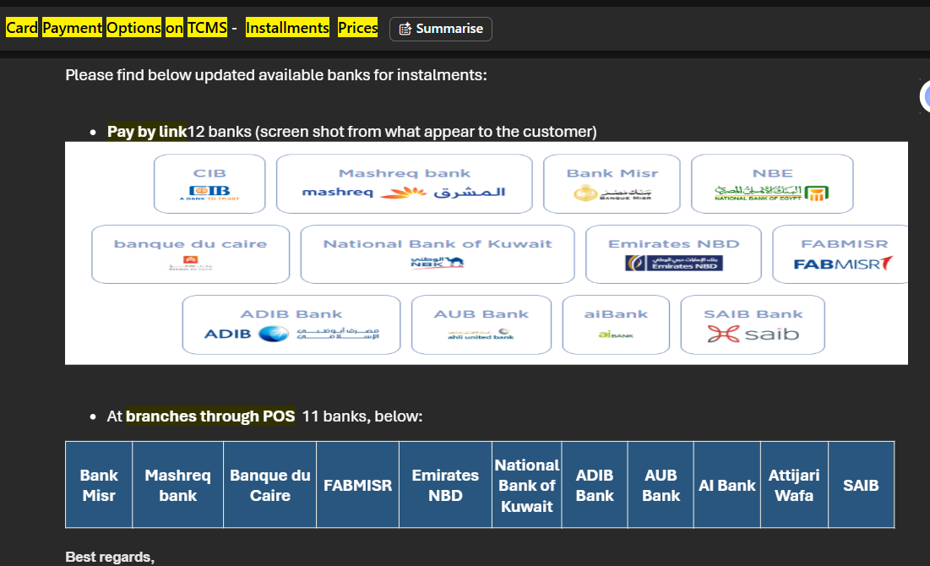
 |  |  |  |  | Branches Email Addresses
 |  |  |  |  | City Stars | EG-CustomerServicesCityStars@britishcouncil.org
 |  |  |  |  | Aspire School New cairo | EG-CustomerServicesNewCairo@britishcouncil.org
 |  |  |  |  | Agouza | EG-CSAgouzaFrontLine@britishcouncil.org
 |  |  |  |  | Agouza | EG-CustomerServiceAgouza@britishcouncil.org
 |  |  |  |  | Alexandria | EG-CustomerServices@britishcouncil.org
 |  |  |  |  | October | EGCustomerServices@britishcouncil.org

 |  |  |  |  | Branch | Manager | Branch | AD Senior Teacher
 |  |  |  |  | AGU | Amal El Samahy | AGU | Maryana Fahmy- Rami Emil
 |  |  |  |  | CTS | Enas Badr | CTS | Heba Elrafei
 |  |  |  |  | OCT | Yasmeen Magdy | OCT | Nani Mohamed
 |  |  |  |  | Aspire School New cairo | Yasmeen Magdy | Aspire School New cairo | Fatima Taha
 |  |  |  |  | ALX | Asma Helal | ALX | Hany El Safany

 |  |  |  |  | 3

YL WB
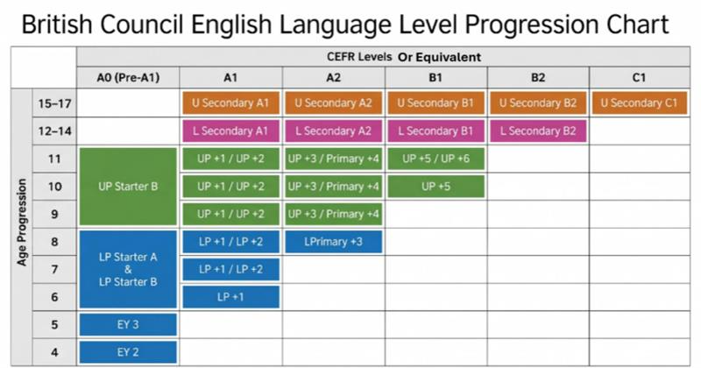
Age Groups | Academic Level | Winter Block Courses |  |  | Branch | YL Senior Teacher | Branch | Manager |  | No instalment for 1 term; bookings must start from 2 terms
4 | Early Years 2 (Ducks) | PT fees 200 EGP, duration 20 to 30 mins (Valid for only 6 months) (Non Refundable) From 6 Years Old |  |  | AGU | Eman Mahmoud - Rami Emil | AGU | Amal El Samahy |  | To calculate the price after Installments for the new and re-registration Use:
5 | Early Years 3 (Owls) | No PT Needed for 4 & 5 years Old (Ducks & Owls) (Early years) |  |  | CTS | Mai Mahmoud | CTS | Enas Badr |  | Installment Charges Calculator - Updated.xlsx
Lower Primary From 6 to 8 | LP Starter A | 4 terms, 9 sessions during 9 weeks, 1 session each week (Thu/Fri/Sat) |  |  | OCT | Nani Mohamed | OCT | Yasmeen Magdy
 | LP Starter B | Pri &Sec Session duration 2 hrs / Early Years duration 2 hrs |  |  | Aspire School New cairo | Fatima Taha | Aspire School New cairo | Yasmeen Magdy
 | LP Primary Plus 1 | (EYs, Pri & Sec A1,A2) must attend 3-4 terms to complete a level within the same academic year |  |  | ALX | Hany El Safany | ALX | Asma Helal
 | LP Primary Plus 2 | (Sec B1 & B2) must attend 6-8 terms to complete the level within the same academic year
 | LP Primary Plus 3 | EY3 is NOT the same content of LP starter A But they are complementary |  |  | Branches Email Addresses
Upper Primary From 9 to 11 | UP Starter B |  |  |  | City Stars | EG-CustomerServicesCityStars@britishcouncil.org
 | UP Primary plus 1 | Winter Block Discounts |  |  | Aspire School New cairo | EG-CustomerServicesNewCairo@britishcouncil.org
 | UP Primary Plus 2 | 1-Bundle Discount | 2-Sibling Discount | 3-Vario | Agouza | EG-CSAgouzaFrontLine@britishcouncil.org
 | UP Primary Plus 3 | 2 terms | 10% for the youngest child when | deducted amount applied on sms | Agouza | EG-CustomerServiceAgouza@britishcouncil.org
 | UP Primary Plus 4 | 5% | registering more than 1 child. | when registering after the first class | Alexandria | EG-CustomerServices@britishcouncil.org
 | UP Primary Plus 5 | 3 terms | youngest child must be booked in the same | Maximum after 2 clasees | October | EGCustomerServices@britishcouncil.org
 | UP Primary Plus 6 | 10% | term as the older child to apply it | can be combined with sibling discount only
Lower Secondary From 12 to 14 | Secondary Plus A1 | 4 terms |  |  | Branch | Location |  |  | Working Hours
 | Secondary Plus A2 | 15% |  |  | AGU | 192 El Nil Street, Agouza, Cairo |  |  | From 10 am to 7 pm
 | Secondary Plus B1.2 |  |  |  | CTS | Citystars Mall, Makram Ebid st.,Gate 5, Phase 1, Floor 6, Cairo |  |  | From 1 pm to 8 pm
 | Secondary Plus B2.2 | IELTS for Teens |  |  | Aspire School New cairo | Abdelrahman Tag Street, Al-Banafseg 1st settlement New Cairo |  |  | From 12 pm to 7 pm
Upper Secondary From 15 to 17 | Upper Secondary Plus A1 | PT fees 200 EGP, duration 20 to 30 mins (Valid for only 6 months) |  |  | Choueifat | Dream land Compound gate 3 - Gate 4 of the international school of Choeifat |  |  | From 12 pm to 7 pm
 | Upper Secondary Plus A2 | Age group and level (15-17 yrs.) Upper Secondary - Intermediate (B1) |  |  | Alex BSA | 11 Mahmoud Abou El Ela, Kafr Abdo, Alexandria |  |  | NO CS
 | Upper Secondary Plus B1.1 | Hours are 20 hours in the summer (Intensive), and 18 hours in winter |  |  | Alex KLS | 8 Mahmoud Mokhtar St.branched from Fouad Street, beside the Graeco-Roman Museum, |  |  | From 11 am to 1 pm From 2 pm to 6 pm
 | Upper Secondary Plus B2.1 | Class duration: 2 hours |  |  | Working Days for all branches from sunday to thursday
 | Upper Secondary Plus C1.1 | Can be only attended once, other than that would be repeated content.

 |  | Winter block Prices
 |  | Pri & Sec term fees | 5800
 |  | Early Year term fees | 6400
 |  | IELTS for term fees | 5600

YL SC
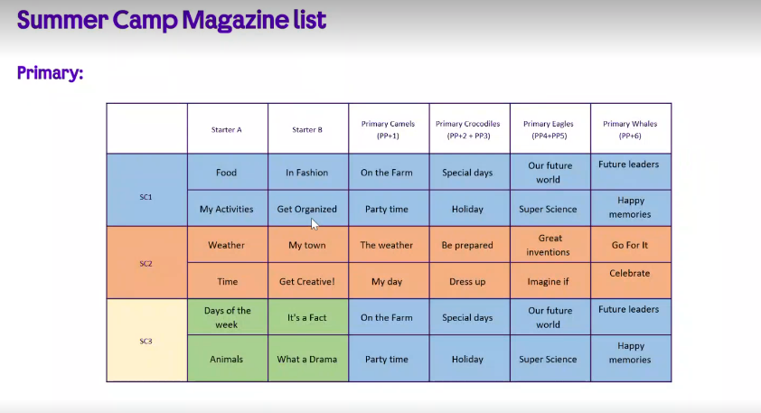
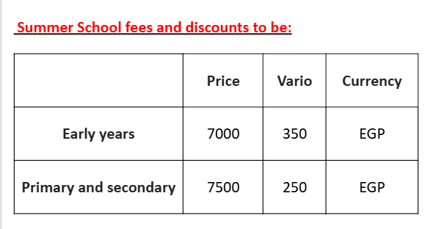
Summer school | From | To | Dont Book If | SC Magazine |  |  | Fees & Discount
1st camp | 5-Jul-2026 | 16-Jul-26
2nd camp | 26-Jul-26 | 6-Aug-26
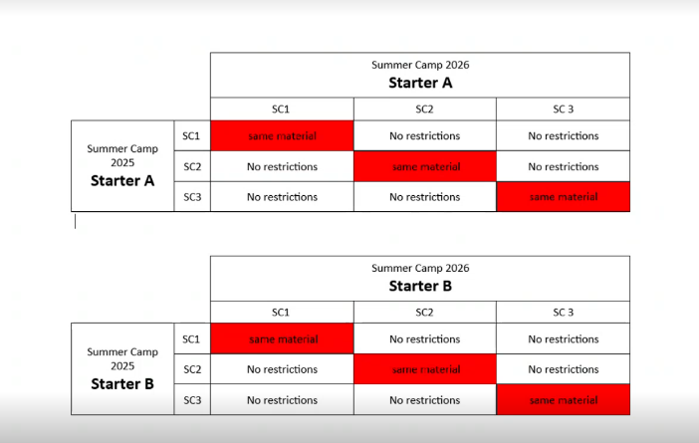
3rd camp | 9-Aug-26 | 20-Aug-26

Summer school
The duration of each summer camp is 30 hours over two weeks
Each class is 3 hours long ( 2HRS Class+1HR Activity)
classes are held 5 times a week (Sunday to Thursday)
SC1 and SC3 are the same content , Exept for starters A & B
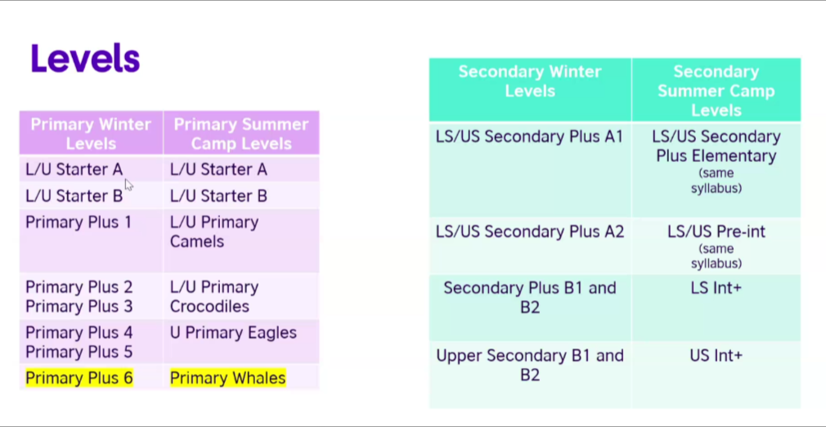
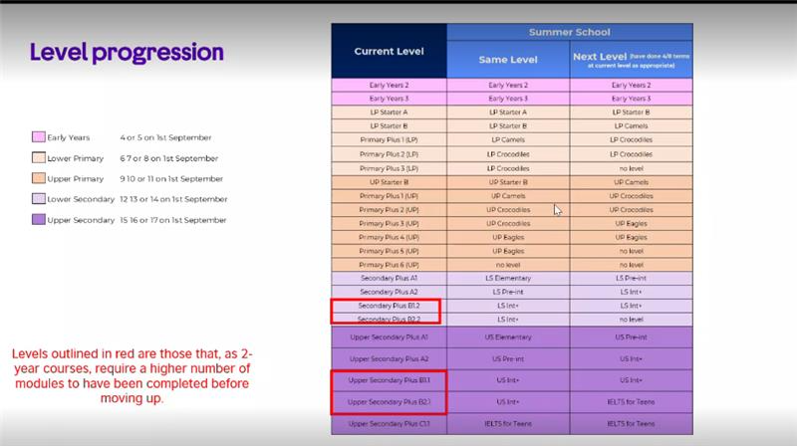

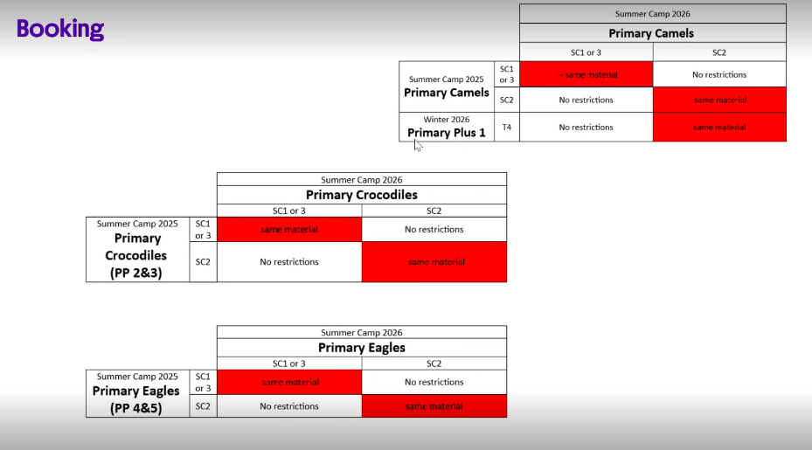
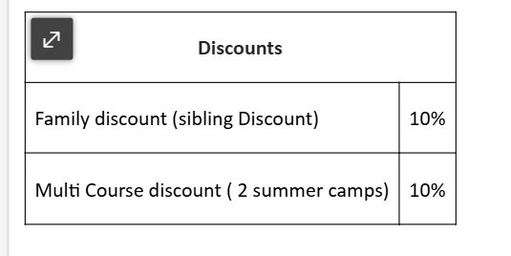

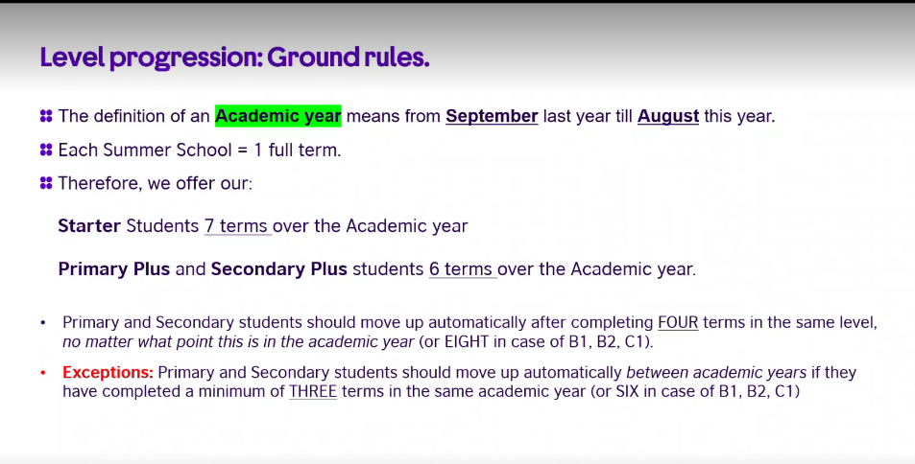
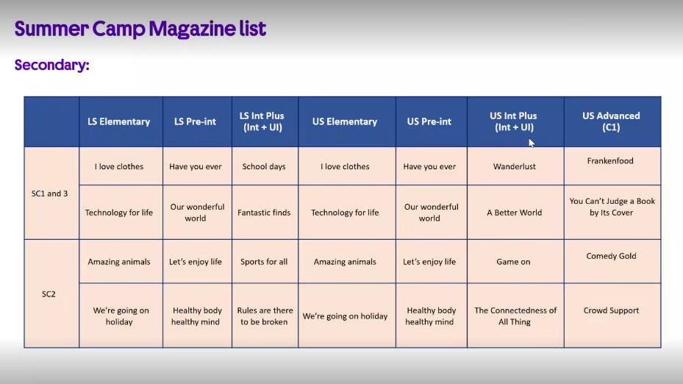
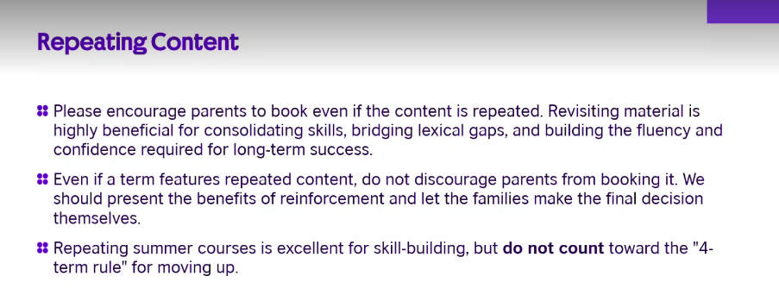

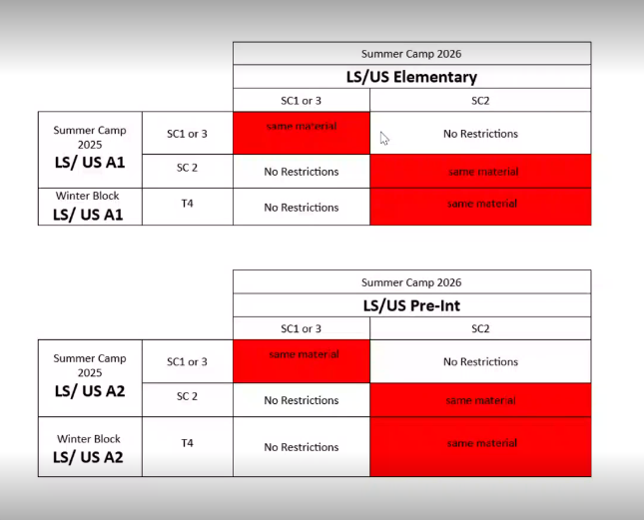

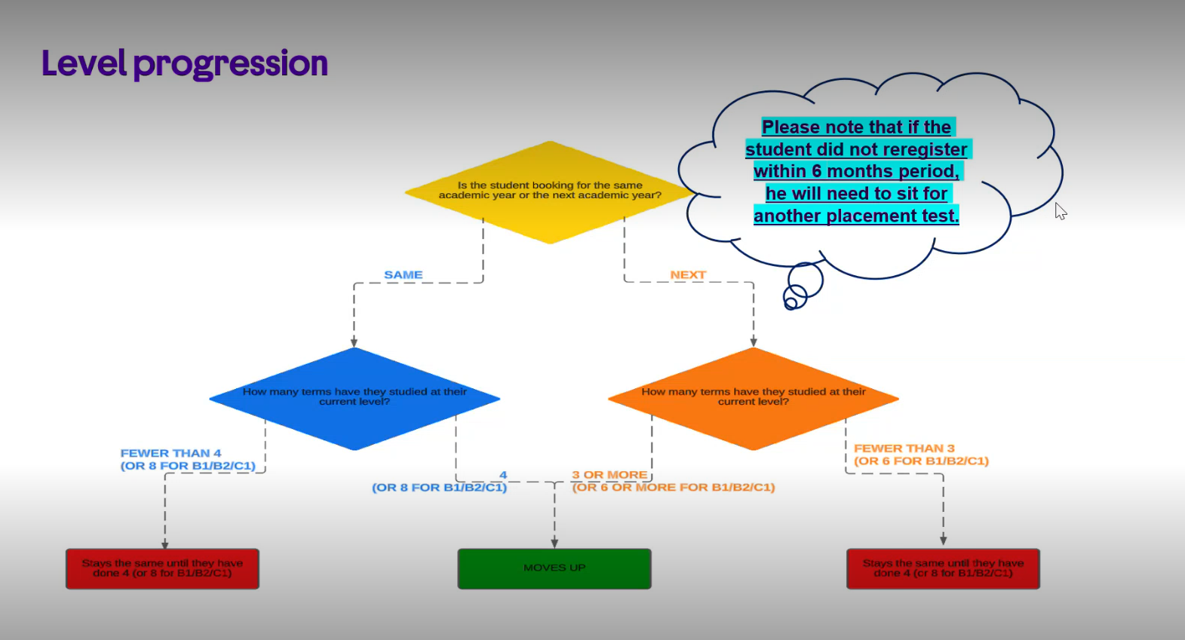

 |  |  |  |  |  |  | · 10% discount on the 2nd camp, if you register for 2 Summer Camps.
 |  |  |  |  |  |  | 10% discount on the 2nd & 3rd camp, if you register for 3 camps. (for starters only)

 |  |  |  | Age Groups | Academic Level | Summer Camp Level
 |  |  |  | 4 | Early Years 2 (Ducks) | Ducks
 |  |  |  | 5 | Early Years 3 (Owls) | Owls
 |  |  |  | Lower Primary From 6 to 8 | LP Starter A | LP Starter A
 |  |  |  |  | LP Starter B | LP Starter B
 |  |  |  |  | LP Primary Plus 1 | LP Camels
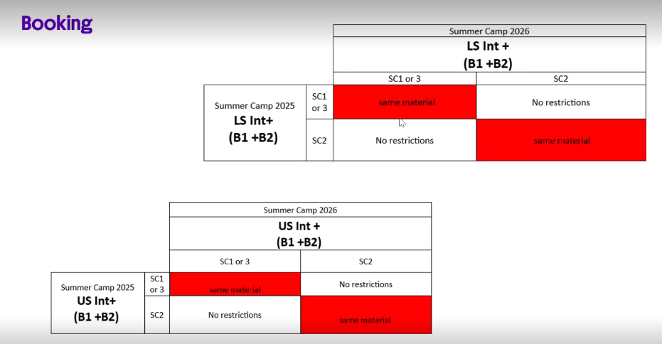
 |  |  |  |  | LP Primary Plus 2 | LP Crocodiles
 |  |  |  |  | LP Primary Plus 3
 |  |  |  | Upper Primary From 9 to 11 | UP Starter B | UP Starter B
 |  |  |  |  | UP Primary plus 1 | UP Camels
 |  |  |  |  | UP Primary Plus 2 | UP Crocodiles
 |  |  |  |  | UP Primary Plus 3
 |  |  |  |  | UP Primary Plus 4 | UP Eagles
 |  |  |  |  | UP Primary Plus 5
 |  |  |  |  | UP Primary Plus 6 | UP Whales
 |  |  |  | Lower Secondary From 12 to 14 | Secondary Plus A1 | Seconadry Elementary
 |  |  |  |  | Secondary Plus A2 | Secondary Pre Int
 |  |  |  |  | Secondary Plus B1.2 | Secondary Intermediate+
 |  |  |  |  | Secondary Plus B2.2
 |  |  |  | Upper Secondary From 15 to 17 | Upper Secondary Plus A1 | US Elementary
 |  |  |  |  | Upper Secondary Plus A2 | US Pre Intermediate+
 |  |  |  |  | Upper Secondary Plus B1.1 | US Intermediate+
 |  |  |  |  | Upper Secondary Plus B2.1
 |  |  |  |  | Upper Secondary Plus C1.1 | US C1

